Tabelle1
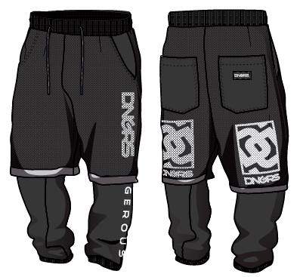
MEN'S SWEAT SPECIFICATION
FIT |  |  | DNGRS_SweatpantsMAN_Oversized |  |  |  |  |  |  |  | Date: 13-09-2022
STYLE |  |  | DGSP487
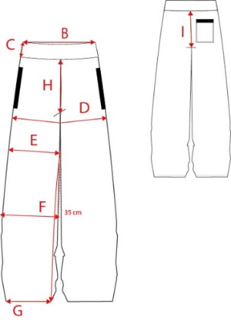

PLACE |  |  | S | M | L | XL | 2XL | 3XL | 4Xl | 5XL |  | 6XL | Tolerances
A
B | 1/2 WAIST (RELAXED) | 2 | 39 | 41 | 43 | 45 | 48 | 51 | 53 | 55 |  | 57 | +/-2cm(up to 80cm) / +/-2,5cm(from 80,5cm)
C | WAISTBAND HEIGHT | 0 | 5 | 5 | 5 | 5 | 5 | 5 | 5 | 5 |  | 5 | +/-0,5cm
H | FRONT RISE (escl. W/B) | 1 | 37 | 38 | 39 | 40 | 42 | 44 | 46 | 48 |  | 50 | +/-2cm
D | HIP (20CM BELOW WAISTBAND) | 2 | 60 | 62 | 64 | 66 | 69 | 72 | 74 | 76 |  | 78 | +/-2cm
E | THIGH (BELOW CROTCH) | 1 | 39.5 | 40.5 | 41.5 | 42.5 | 44.5 | 46.5 | 47.5 | 48.5 |  | 49.5 | +/-1,5cm(up to 30cm) / +/-2cm(from 30,5cm)
F | KNEE 35CM DOWN FROM CROTCH | 1 | 25 | 26 | 27 | 28 | 30 | 32 | 33 | 34 |  | 35 | +/-1,5cm(up to 30cm) / +/-2cm(from 30,5cm)
 | HEM (RELAXED) above | 0,5 | #VALUE! | #VALUE! | 18 | #VALUE! | #VALUE! | #VALUE! | #VALUE! | #VALUE! |  | #VALUE!
G | HEM (RELAXED) down | 0,5 | #VALUE! | #VALUE! | 14 | #VALUE! | #VALUE! | #VALUE! | #VALUE! | #VALUE! |  | #VALUE! | +/-1cm(up to 20cm) / +/-1,5cm(from 20,5cm)
 | HEM (HEIGHT) | 0 | 4 | 4 | 4 | 4 | 4 | 4 | 4 | 4 |  | 4
 | SHORTS: HEM | 0,5 | #VALUE! | #VALUE! | 35 | #VALUE! | #VALUE! | #VALUE! | #VALUE! | #VALUE! |  | #VALUE! | +/-1cm(up to 20cm) / +/-1,5cm(from 20,5cm)
L | INSEAM (INCL. HEM) | 1 | 66 | 67 | 68 | 69 | 70 | 71 | 71 | 72 |  | 72 | +/-2cm(up to 80cm) / +/-2,5cm(from 80,5cm)
 | SHORTS: INSEAM (INCL. HEM) | 1 | 18 | 19 | 20 | 21 | 22 | 23 | 23 | 24 |  | 24
I | BACK RISE (excl W/B) | 1 | 46 | 47 | 48 | 49 | 51 | 53 | 55 | 57 |  | 59 | +/-2cm

1st Issue:
Amended:
Approved:

