Sheet1 (3)Rearange (3)
Jogging Pants Basic

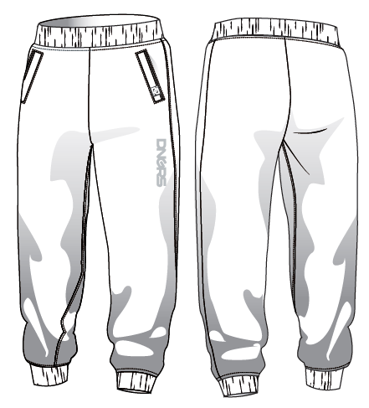 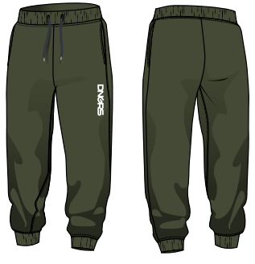
PLACE |  | 2XS | XS | S | M | L | XL | 2XL | 3XL | Tolerances
B | 1/2 WAIST (CIRCUM- FERENCE) | 27 | 29 | 31 | 33 | 35 | 37 | 39 | 41 | +/-2cm
C | WAISTBAND HEIGHT | 6 | 6 | 6 | 6 | 6 | 6 | 6 | 6 | +/-0,5cm
D | HIP (10cm up crotch) | 48 | 50 | 52 | 54 | 56 | 58 | 60 | 62 | +/-2cm
E | THIGH | 30 | 31 | 32 | 33 | 34 | 35 | 36 | 37 | +/-2cm
F | 1/2 KNEE (25 cm down from crotch) | 24.5 | 25 | 25.5 | 26 | 26.5 | 27 | 27.5 | 28 | +/-1,5cm
G | HEM | 10 | 11 | 12 | 13 | 14 | 15 | 16 | 17 | +/-1cm
H | FRONT RISE (EXCL. WAISTBAND) | 29.5 | 30 | 30.5 | 31 | 31.5 | 32 | 32.5 | 33 | +/-2cm
I | BACK RISE (EXCL. WAISTBAND) | 36.5 | 37 | 37.5 | 38 | 38.5 | 39 | 39.5 | 40 | +/-2cm
K | HEMBAND HEIGHT | 5 | 5 | 5 | 5 | 5 | 5 | 5 | 5 | +/-0,5cm
L | ZIPPER LENGTH | 18 | 18 | 18 | 18 | 20 | 20 | 20 | 20 | +/-1cm
L 2 | INNER SEAM | 65 | 66 | 67 | 68 | 69 | 70 | 71 | 72 | +/-2cm(up to 80cm) / +/-2,5cm(from 80,5cm)

Sheet1 (3)Rearange (2)
S/S 2013 WOMENS
Jogging Pants HILL new
DL_SP_053, DL SP 054 | 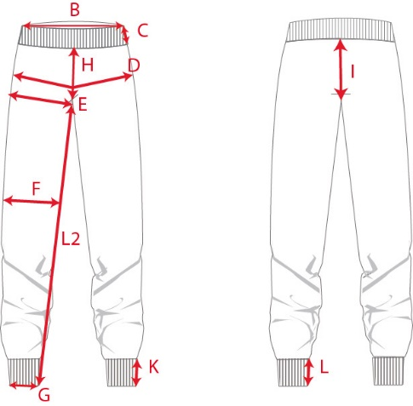 |  |  |  |  |  |  |  | OLD
PLACE |  | XS | S |  | M | L | XL | 2XL | 3XL | Tolerances
B | 1/2 WAIST (CIRCUM- FERENCE) | 31 | 33 |  | 35 | 37 | 39 | 41 | 43 | +/-2cm
C | WAISTBAND HEIGHT | 6 | 6 |  | 6 | 6 | 6 | 6 | 6 | +/-0,5cm
D | HIP (10cm up crotch) | 52 | 54 |  | 56 | 58 | 60 | 62 | 64 | +/-2cm
E | THIGH | 32 | 33 |  | 34 | 35 | 36 | 37 | 38 | +/-2cm
F | 1/2 KNEE (25 cm down from crotch) | 25.5 | 26 |  | 26.5 | 27 | 27.5 | 28 | 28.5 | +/-1,5cm
G | HEM | 12 | 13 |  | 14 | 15 | 16 | 16 | 16 | +/-1cm
H | FRONT RISE (EXCL. WAISTBAND) | 30.5 | 31 |  | 31.5 | 32 | 32.5 | 33 | 33.5 | +/-2cm
I | BACK RISE (EXCL. WAISTBAND) | 37.5 | 38 |  | 38.5 | 39 | 39.5 | 40 | 40.5 | +/-2cm
K | HEMBAND HEIGHT | 5 | 5 |  | 5 | 5 | 5 | 5 | 5 | +/-0,5cm
L | ZIPPER LENGTH | 18 | 18 |  | 18 | 20 | 20 | 20 | 20 | +/-1cm
L 2 | INNER SEAM | 67 | 68 |  | 69 | 70 | 71 | 72 | 73 | +/-2cm(up to 80cm) / +/-2,5cm(from 80,5cm)

 | 1st Issue: | 14 09 2012 |  | Date: 14-03-2016
 | Amended: | 12 02 2014 |  | Comments; Inseam Reduce 4 cm. Now size "S" 67cm.
 | Approved:

Sheet1 (3)
S/S 2013 WOMENS
Jogging Pants HILL new
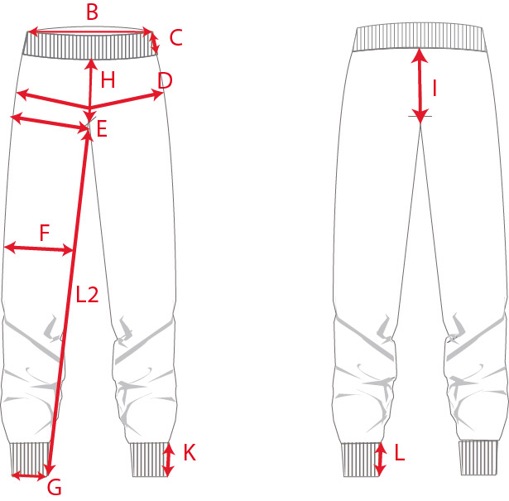

PLACE |  | XS | S | M | L | XL | 2XL | 3XL | Tolerances
B | 1/2 WAIST (CIRCUM- FERENCE) | 30 | 32 | 34 | 36 | 38 | 40 | 42 | +/-2cm
C | WAISTBAND HEIGHT | 6 | 6 | 6 | 6 | 6 | 6 | 6 | +/-0,5cm
D | HIP (10cm up crotch) | 52 | 54 | 56 | 58 | 60 | 62 | 64 | +/-2cm
E | THIGH | 32 | 33 | 34 | 35 | 36 | 37 | 38 | +/-2cm
F | 1/2 KNEE (25 cm down from crotch) | 25.5 | 26 | 26.5 | 27 | 27.5 | 28 | 28.5 | +/-1,5cm
G | HEM | 12 | 13 | 14 | 15 | 16 | 16 | 16 | +/-1cm
H | FRONT RISE (EXCL. WAISTBAND) | 30.5 | 31 | 31.5 | 32 | 32.5 | 33 | 33.5 | +/-2cm
I | BACK RISE (EXCL. WAISTBAND) | 37.5 | 38 | 38.5 | 39 | 39.5 | 40 | 40.5 | +/-2cm
K | HEMBAND HEIGHT | 5 | 5 | 5 | 5 | 5 | 5 | 5 | +/-0,5cm
L | ZIPPER LENGTH | 18 | 18 | 18 | 20 | 20 | 20 | 20 | +/-1cm
L 2 | INNER SEAM | 71 | 72 | 73 | 74 | 75 | 76 | 77 | +/-2cm(up to 80cm) / +/-2,5cm(from 80,5cm)

1st Issue: | 14 09 2012
Amended: | 12 02 2014
Approved:

