20-05-2016_Tairongroup
 |  |  |  |  |  | STYLE |  |  |  | TB1440 |  |  |  |  |  |  |  |  |  |  |  |  |  |  | MEASUREMENT CHART

 |  |  |  |  |  | COLLECTION |  |  |  | UC |  |  |  | SEASON |  |  | FW16 |  | SUPPLIER NO. |  |  |  |  |  | SWEATS / PULLOVER / JACKETS
 |  |  |  |  |  | GENDER |  |  |  | MEN |  | DATE |  | 2016-05-20 |  |  |  |  | SIGNATURE |  |  |  | AM

Fertigmaße in cm für Größe measurements in cm for size | CODE | TOLERANCE (+/-) | XS | IS | S | IS | M | IS | L | IS | XL | IS | XXL | IS | 3XL | IS | 4XL | IS | 5XL | IS | 6XL | IS |  | 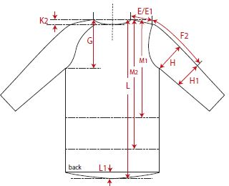 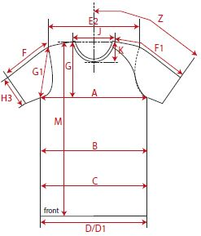

front length from HSP | M | 1 |  |  | 68.00 |  | 70.00 |  | 72.00 |  | 74.00 |  | 76.00
1/2 chest width | A | 1 |  |  | 51.50 |  | 54.50 |  | 57.50 |  | 60.50 |  | 63.50
shoulder to shoulder | E2 | 1 |  |  | 41.50 |  | 44.50 |  | 47.50 |  | 50.50 |  | 53.50
sleeve length from shoulder (set in) | F | 1 |  |  | 66.00 |  | 67.00 |  | 68.00 |  | 69.00 |  | 70.00

REMARK

